Sheet1
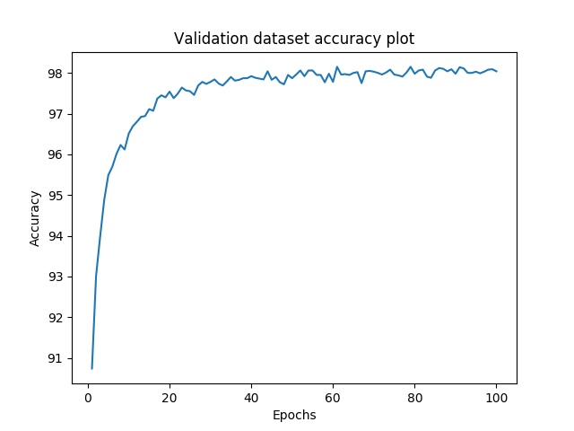
MNIST Evaluation Report
 | Batch_size | Activation function | # of layers | Layer size | Epoch | Weight initialization | Optimizer | Learning rate | Weight decay | 100 epoch training time | Early stopping epoch | Accuracy
Setting #1 | 200 | ReLU | 4 | 200 | 100 | He | Adadelta | 0.1 | X | 8.19 minutes | 49 | 98.04%
Setting #2 | 200 | ReLU | 4 | 200 | 100 | He | Adam | 0.0001 | X | 8.19 minutes | 36 | 97.99%
Setting #3 | 200 | ReLU | 4 | 200 | 100 | He | Adadelta | 0.1 | O(lambda=0.01) | 8.15 minutes | 42 | 96.05%
Setting #4 | 200 | ReLU | 4 | 200 | 100 | He | Adam | 0.0001 | O(lambda=0.01) | 8.73 minutes | 91 | 96.23%
Validation dataset accuracy plot
Setting #1
Setting #2
Setting #3
Setting #4
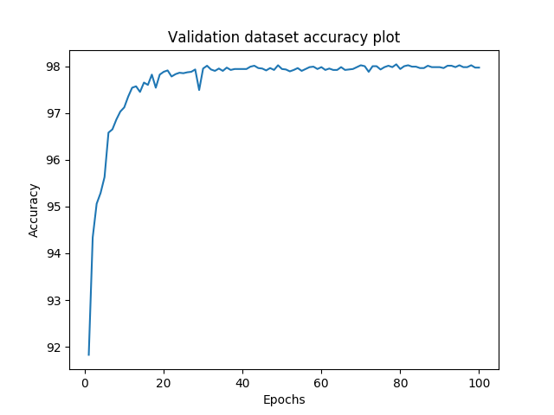 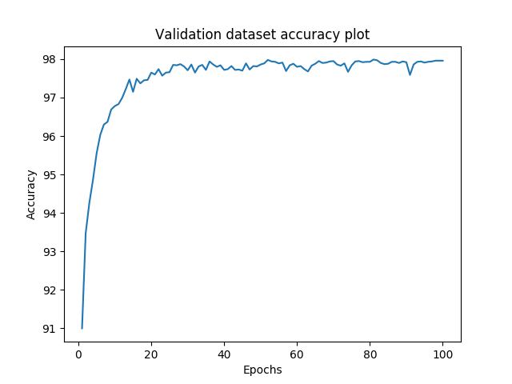 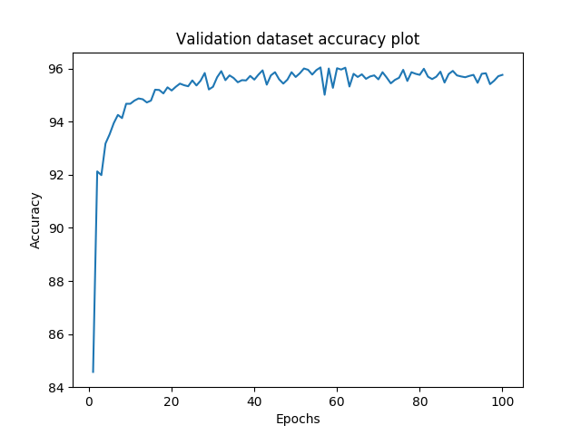 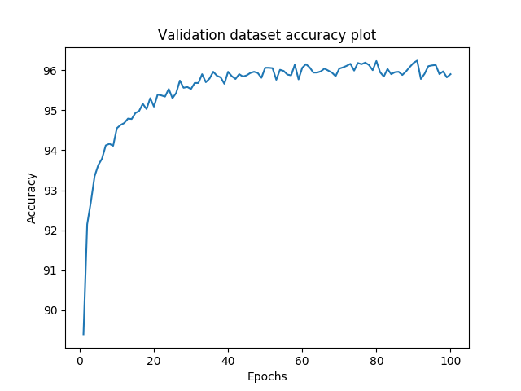

[결과 정리] A slight decrease in validation/test accuracy was observed when weight decay was applied, which may be a result of lambda being too large (Note the effect of reducing lambda by a factor of 10 to 0.001 in Fig. 5; validation accuracy increases to 98.15%) Although Setting 1 gave the best final results, it was the most prone to getting stuck in local minima (validation accuracy <90%), as illustrated in Fig. 1 below. The model was also in one instance observed to escape local minima (Setting 4), as shown in Fig. 2, although it did not always manage to do so (i.e. validation accuracy <90%, Fig. 3). Such results indicate the effectiveness or the importance of training multiple instances of the same model with different initial states. Also note the performance of linear systems as a baseline (i.e. without ReLU; approximately 92% test accuracy in just 5 or so epochs) in Fig. 4. Accuracy was also noted to decrease with weight decay of 0.01.

 | Fig. 1 |  |  |  | Fig. 2 |  |  |  | Fig. 3
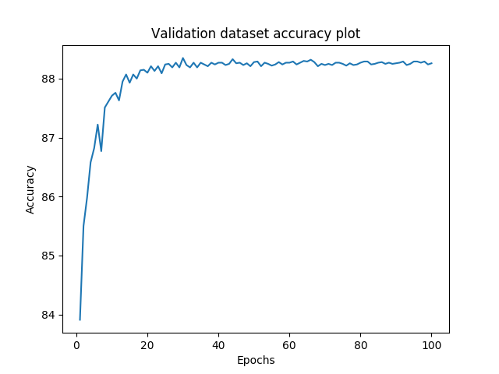
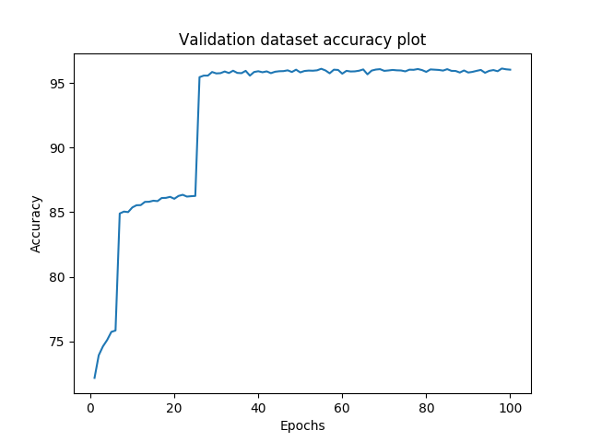
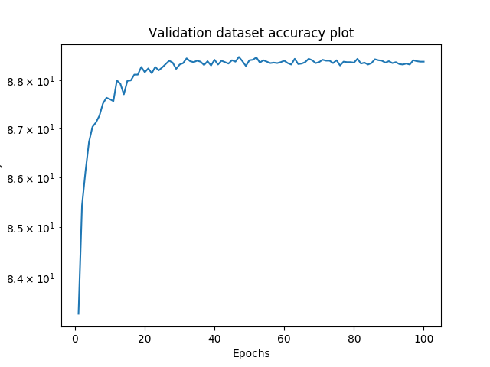

 |  |  |  |  | Fig. 4

Validation dataset accuracy plot
Setting #1
Setting #2
Setting #3
Setting #4
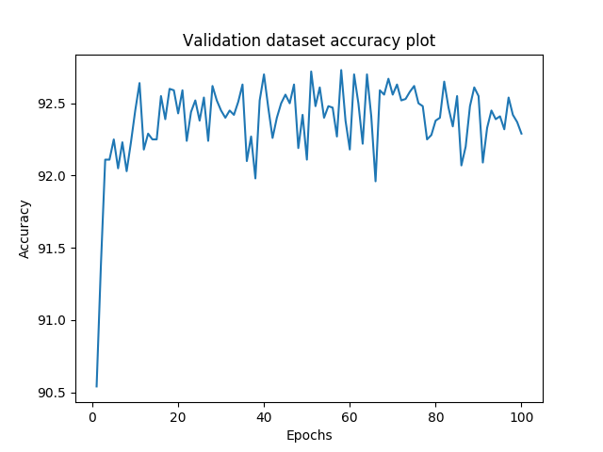
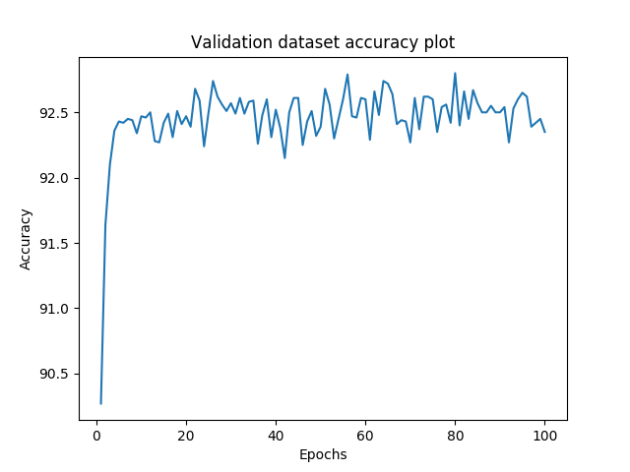
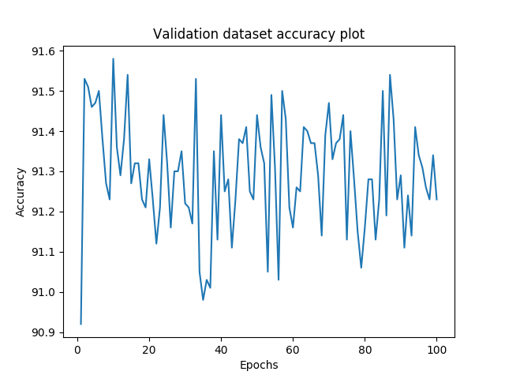
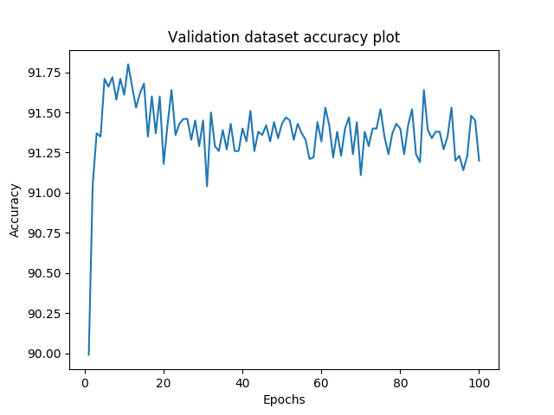

 |  | Fig. 5

